Difference from Architect
Change to the communication specification
 | HOST→MW
 | Patient Record（P）
 |  | 8.1.15 Specialized Field | Identification information for host (LIS) |  | ※Within 20 bytes
 |  |  |  |  | Reception date or reception ID used in Lab
 |  |  |  |  | Show information sent from MW as is
Patient Sex
 | MW→HOST
 | Patient information Record（P）
 |  | 8.1.15 Specialized Field | Identification information for host (Reception Date, Reception ID) |  |  | Return date received from host

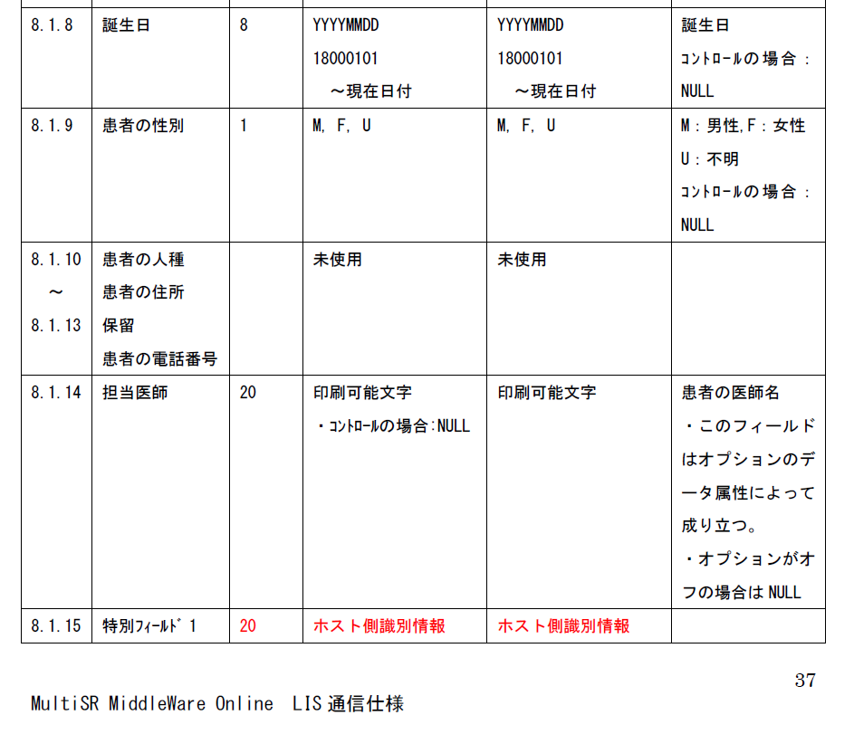
Birth date
Birth date
If Control
Current Date
Current Date
M: Male
F: Female
U: Unknown
If Control:
Patient Sex

Not Used
Not Used
Patient Race
Patient Address
Reserved
Patient Phone#

Doctor Name
Printable Character
If Control: NULL
Printable Character
Doctor Name
- This is an optional attribute data
- If the option is turned off it is NULL

Specialized Field
Identification Info for Host
Identification Info for Host

Communciation Specification

Communciation Specification

Use this field to communicate Reception Date, Reception Number, Patient ID info or any patient attribute information in Specialized Field 1 (8.1.15) in 20 bytes or less. Host will show the information sent from middleware as it is sent. Host must specify the format.

 | Information Request Record（Q）
 |  | 12.1.3 Rack ID, Position |  | ・Add Rack ID and Position information to Sample ID
 |  |  |  | ・Used when sample cup is used along with Rack ID and position information
 |  |  |  | Sample ID will contain "?" characters which is the same length as the specified sample ID length
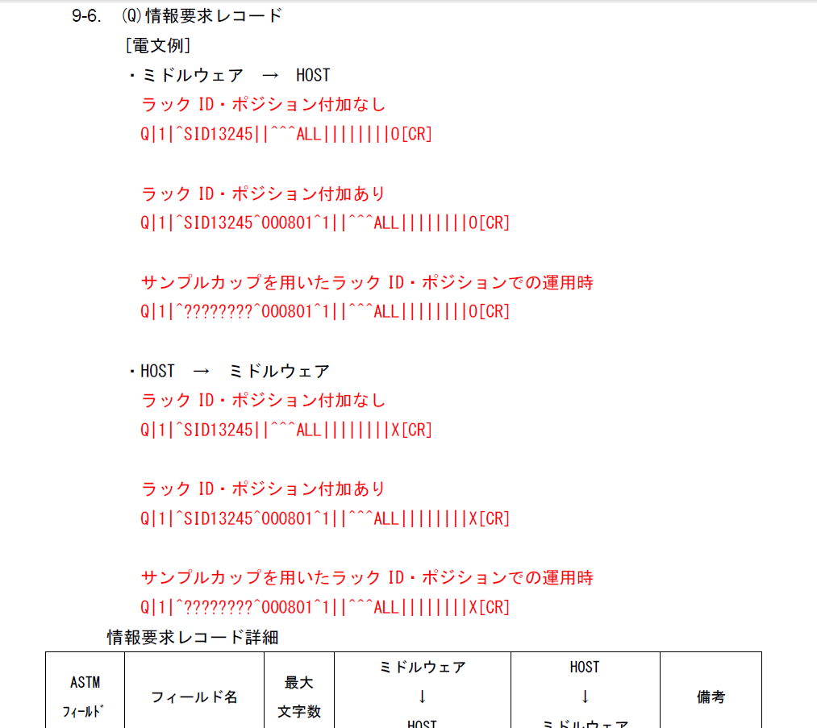
Information Request Record
[Communication Example]

MW → HOST
Without Rack ID + Postion

With Rack ID + Postion

Using Sample Cup With Rack ID + Postion

HOST → MW
Without Rack ID + Postion

With Rack ID + Postion

Using Sample Cup With Rack ID + Postion

Middleware
Field Name
Max
Character
Remark
Field
Middleware

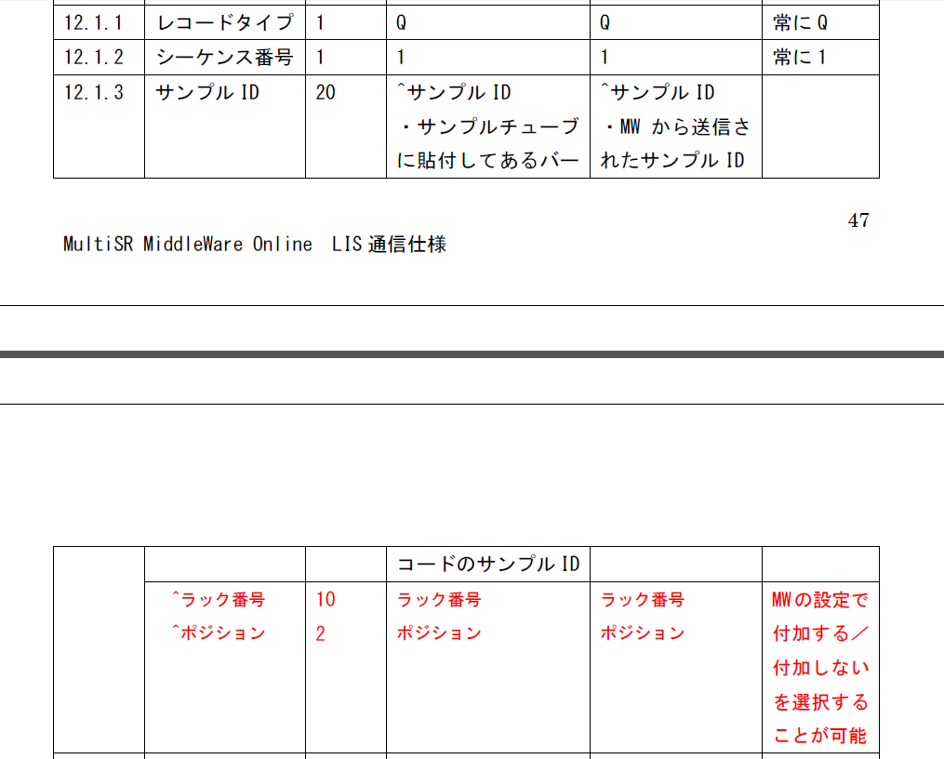
Record Type
Always Q
Sequence #
Always 1
Sample ID
Sample ID
Sample ID

BC on Sample Tube
Sample ID sent to Middleware

Communciation Specification

This is a configured by the MW to add or not to add to the communication

Rack ID
Rack ID
Rack ID
Position
Position
Position

Communciation Specification

When Sample Cup is used and Rack ID + Position information is added to the communication, BC miss read error will add "?" chatacters with specified sample ID length to Sample ID (12.1.3)

 | (O)Order Record |  |  | ・Add Rack ID and Position information to Sample ID
 |  | 9.4.3 Sample ID |  | ・Used when sample cup is used along with Rack ID and position information
 |  |  |  | Sample ID will contain "?" characters which is the same length as the specified sample ID length

Order Record
[Communication Example]
MW → HOST
Result is for Patient Sample

Result is for Control

HOST → MW

Using Sample Cup With Rack ID + Postion

When Sample Cup is used and Rack ID + Position information is added to the communication, (Q) Information Request Record from Middleware → Host will contain "?" characters with specified sample ID length, while Host will replace "?" with the proper Sample ID based on the sent Rack ID + Position and send it in (0) Order Record Sample ID (9.4.3)

Communciation Specification

 | Change in operation by ＭＷ configuration
 |  | Select between"Always request" or "Only request when order does not exist in Middleware"
 |  | The communication needed when "Always request" is selected is available in "LIS Communication Order Reception Specification" sheet

 |  | Pausing result release for test using reagent with over 2SD in Control can be selected

